Jockey
https://projector.tensorflow.org/

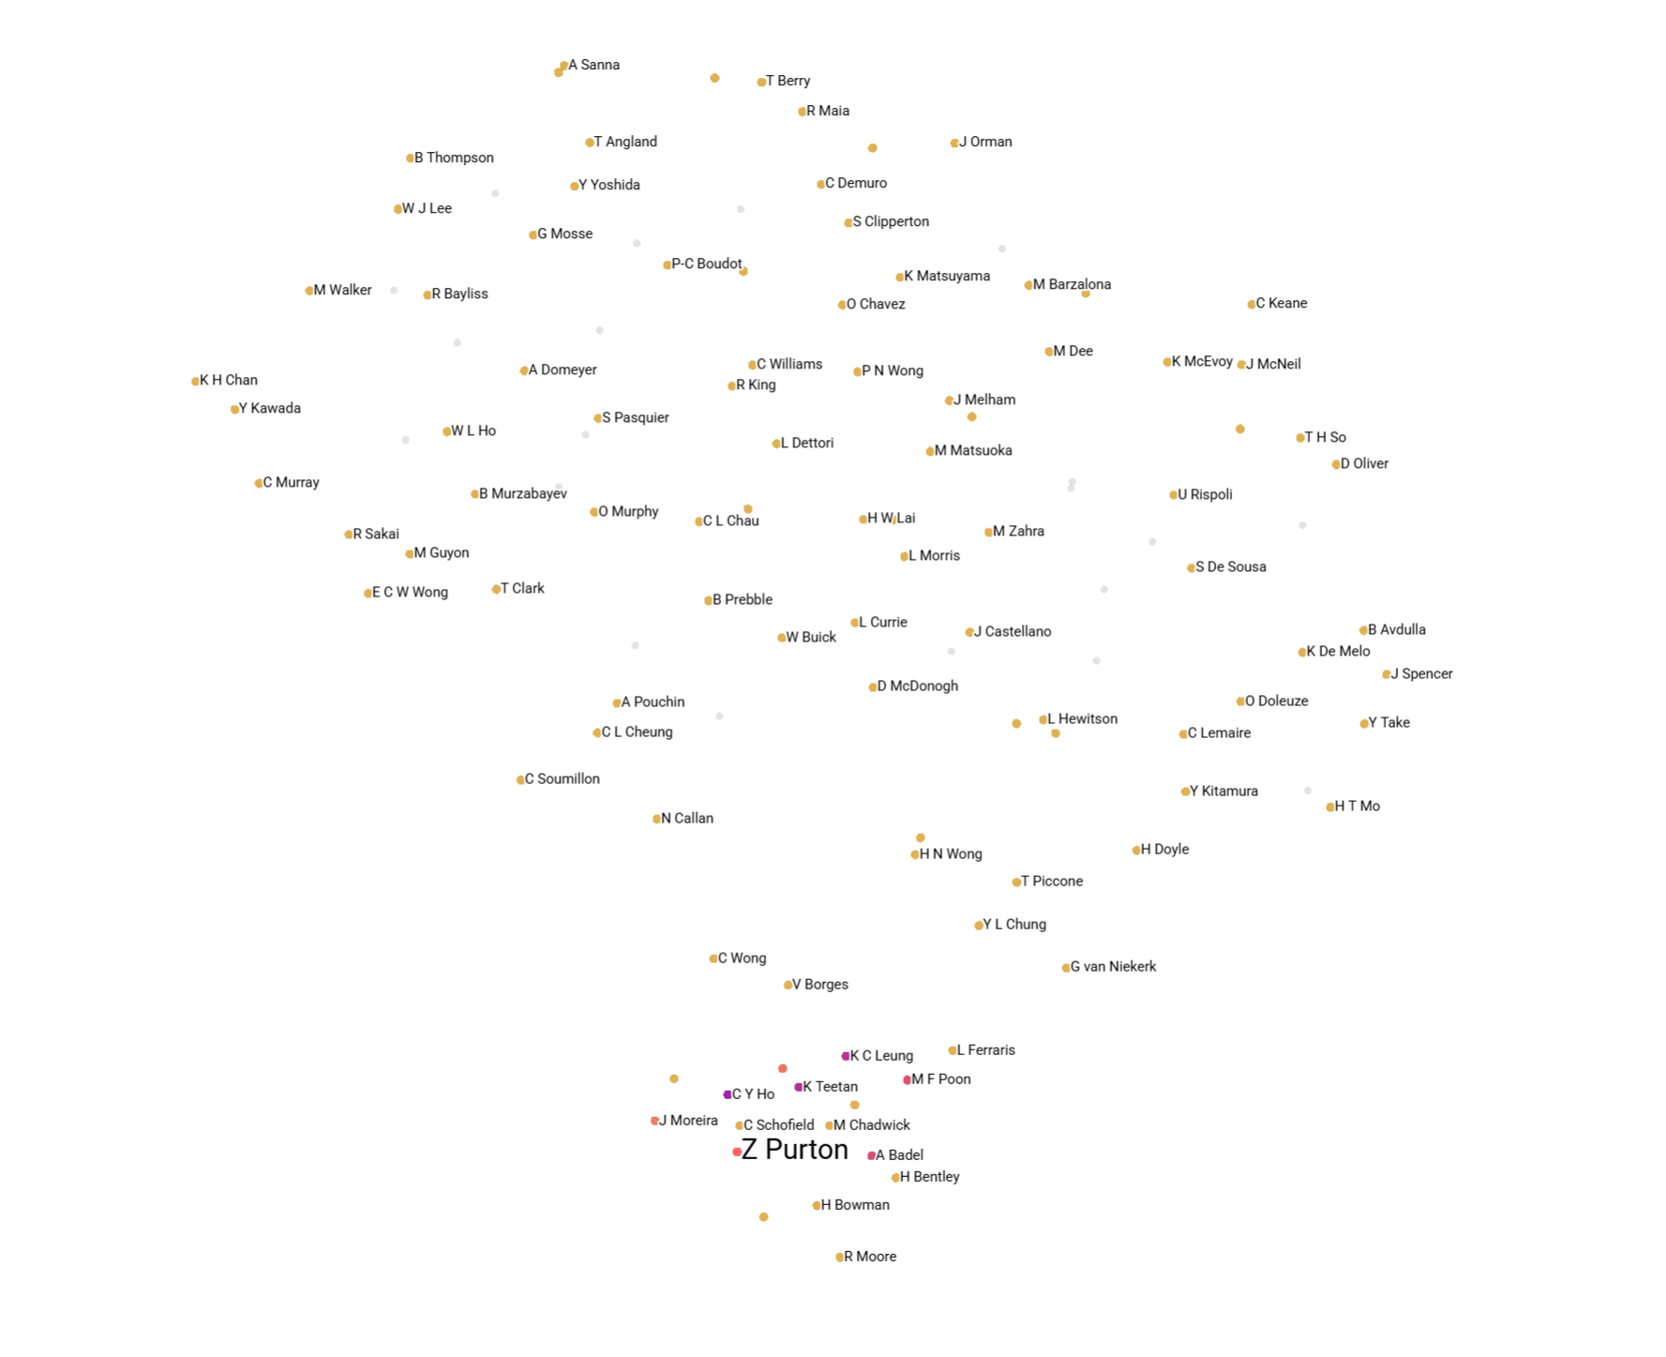
Relative to Z Purton

Jockey | Cos Sim
C Y Ho | 0.057 | 0.943
K Teetan | 0.116 | 0.884
K C Leung | 0.134 | 0.866
A Badel | 0.236 | 0.764
M F Poon | 0.241 | 0.759
M L Yeung | 0.382 | 0.618
J Moreira | 0.429 | 0.571
H Bowman | 0.583 | 0.417
M Chadwick | 0.588 | 0.412
C Schofield | 0.665 | 0.335
L Ferraris | 0.714 | 0.286
J McDonald | 0.719 | 0.281
V Borges | 0.735 | 0.265
A Hamelin | 0.737 | 0.263
H Bentley | 0.741 | 0.259
B Shinn | 0.758 | 0.242
R Moore | 0.761 | 0.239
C L Chau | 0.771 | 0.229
N Callan | 0.772 | 0.228
K H Chan | 0.782 | 0.218
Y L Chung | 0.793 | 0.207
C Wong | 0.816 | 0.184
C Soumillon | 0.838 | 0.162
H N Wong | 0.856 | 0.144
L Hewitson | 0.86 | 0.14
B Avdulla | 0.869 | 0.131
H W Lai | 0.875 | 0.125
A Sanna | 0.876 | 0.124
T Piccone | 0.877 | 0.123
G van Niekerk | 0.888 | 0.112
R Maia | 0.889 | 0.111
E C W Wong | 0.892 | 0.108
A Atzeni | 0.897 | 0.103
H T Mo | 0.905 | 0.095
C Murray | 0.916 | 0.084

Horse
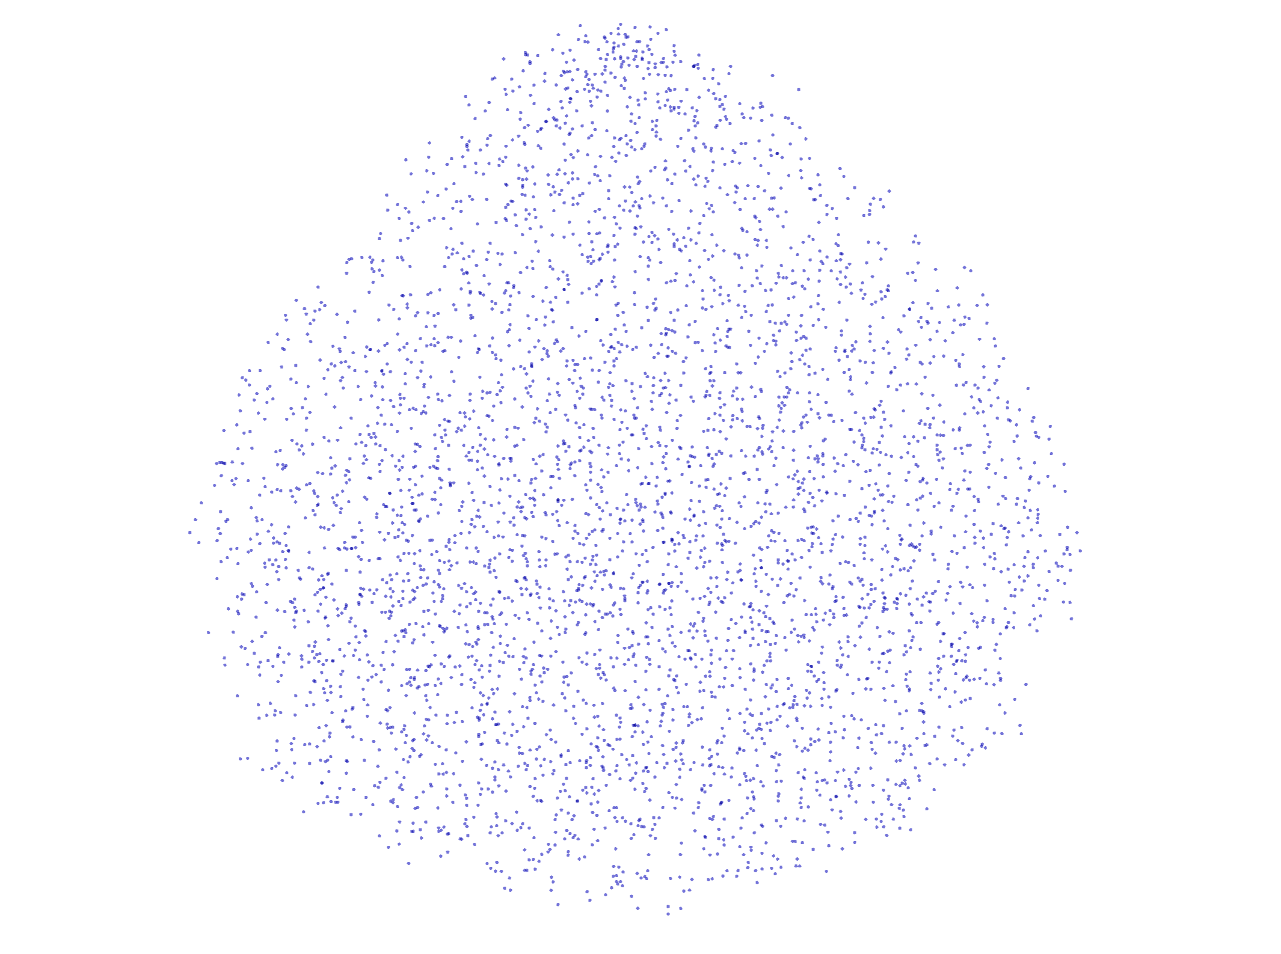
Invicible Missile

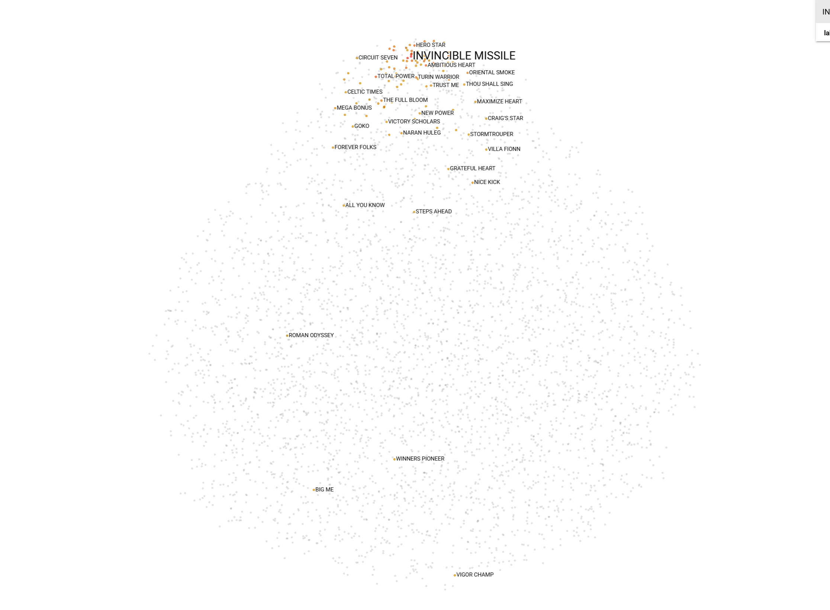
Horse | Cos Sim
MY INTELLIGENT | 0.355
ARIEL | 0.401
JUMBO FORTUNE | 0.436
TOTAL POWER | 0.448
HERO STAR | 0.455
AMBITIOUS HEART | 0.456
RIGHTEOUS DOCTRINE | 0.466
RED MAJESTY | 0.467
COPARTNER ERA | 0.474
TOP SCORE | 0.482
GOLDEN EMPIRE | 0.485
OWNERS' STAR | 0.493
STAR SHINE | 0.497
WOOD ON FIRE | 0.499
TURIN WARRIOR | 0.502
EIGHT TRIGRAMS | 0.507
SNOWALOT | 0.508
HERCULES | 0.513
SPEED FORCE | 0.514
THE FULL BLOOM | 0.522
FUN N GLORY | 0.527
TAKINGUFURTHER | 0.529
LESLIE | 0.534
MAGIC SUPREME | 0.54
ORIENTAL SMOKE | 0.54
SERGEANT PEPPER | 0.544
HAPPY TANGO | 0.549
DRAGON STAR | 0.555
DOLLAR REWARD | 0.555
GLUCK RACER | 0.558
ALLOY KING | 0.561
CLASSIC UNICORN | 0.564
TRUST ME | 0.564
THUNDER STOMP | 0.566
MEGA BONUS | 0.569

